Overview
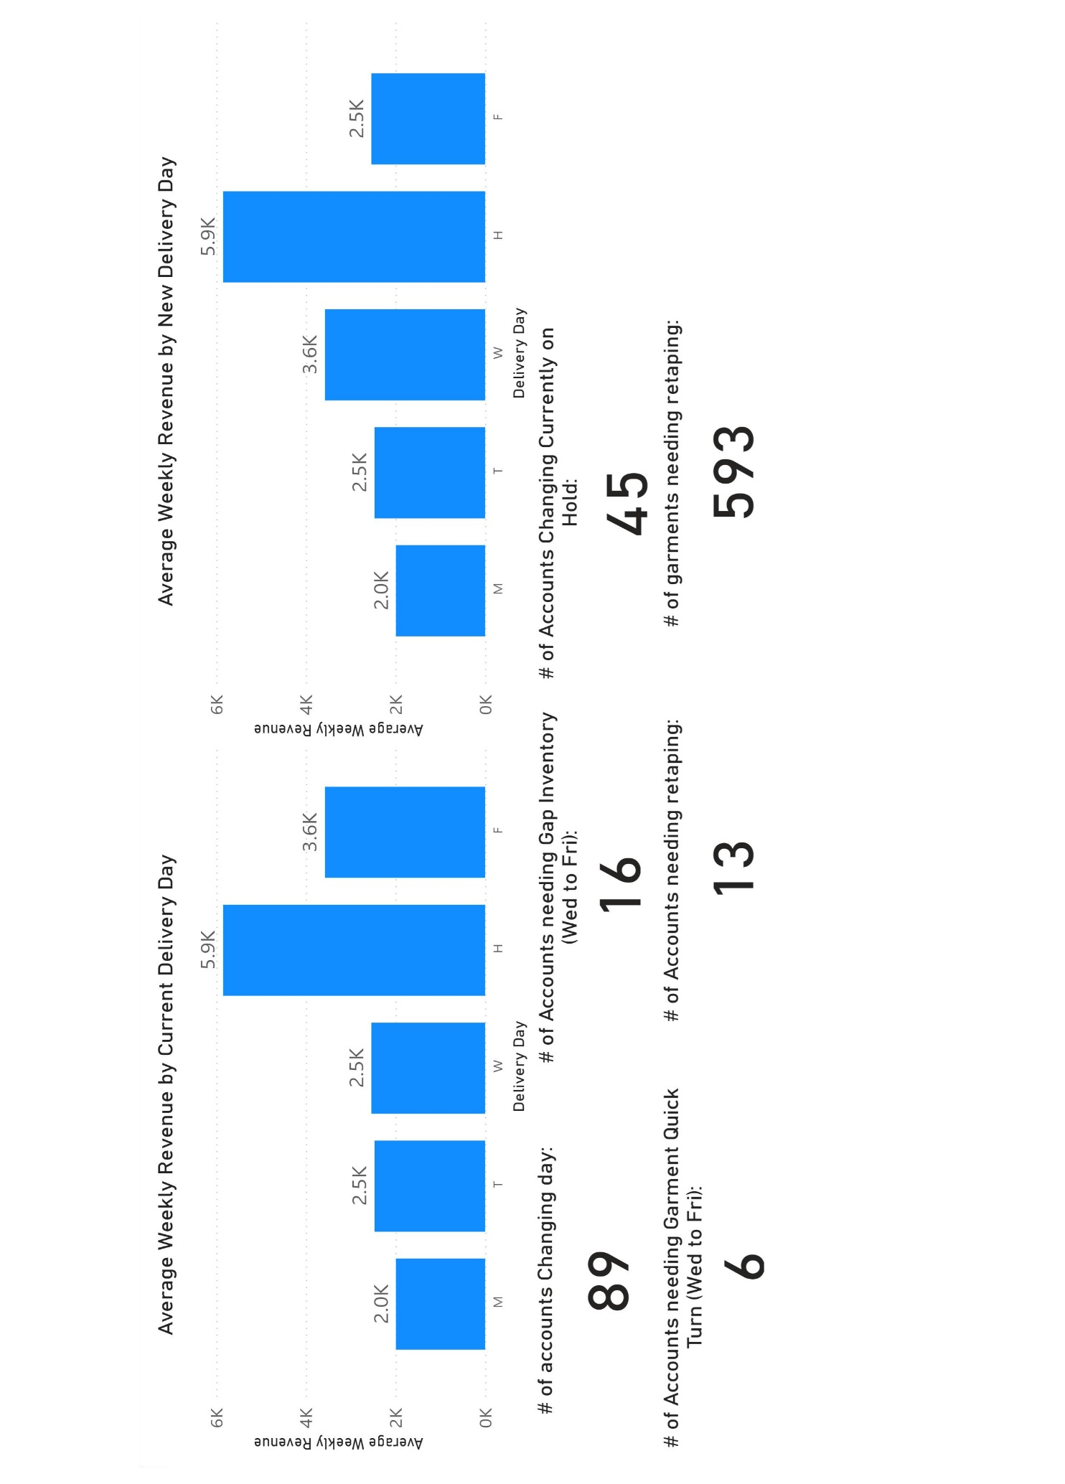
Alpena Reroute Stage 1:
Route 102 Swap Wednesday and Friday

